Statistics & Graph
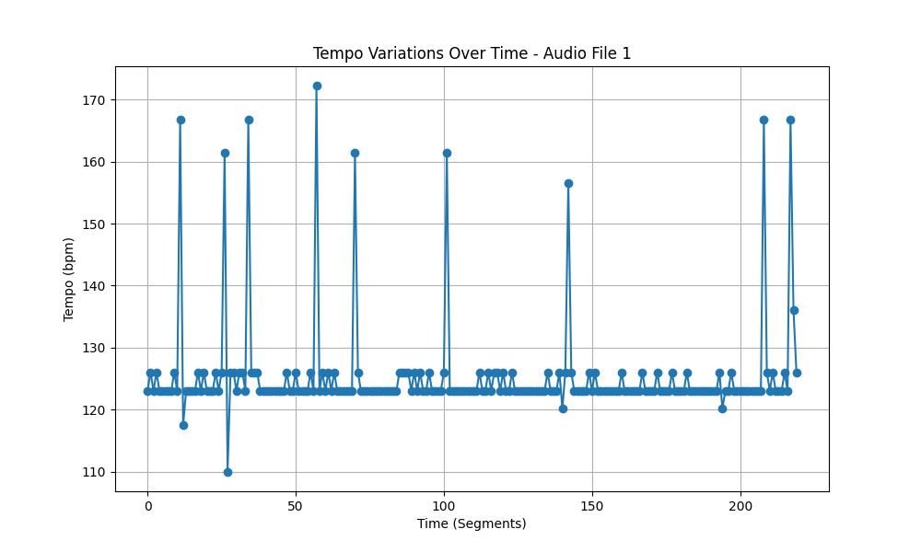
Metric | Value
Mean | 125.3986301
Standard Deviation | 8.3252398631
Coefficient of Variation (CV) | 6.6390197855

